Functional Failures Chart
Fuctional Failures
low or poor Motor Oil | 4
noisy doors | 4
noisy Trunk Door | 4
low pressure on Spare tire | 4
bad or worn Tires | 1
bad Wiper Blades | 1
burnt out Head lights | 1
burnt out Tail Lights | 1
Cracked Windshield | 0
broken Door Handle | 0
motor oil fails | 0
Automatic transmission oil fails | 0

Equipment Failures C&E
Preventative Maintenance Optimization - Your Car
Production Line: My Car
Cause and Effect Matrix

 |  | Rating of Importance to Customer | 5 | 10 |  |  |  |  |  | 10 | 8 |  |  |  | 5 |  | HIGH 9, >30 hours Medium 5, 15-30 minutes Low 1 <15
Preventive Maintenance Optimization Fictional Failure C&E Matrix |  |  | 1 | 2 | 3 | 4 | 5 | 6 | 7 | 8 | 9 | 10 | 11 | 12
 |  |  | MISSION Impact | Customer Impact | Safety Impact | Environmental Impact | Regulatory Impact | Single Point Failure | Pm/PdM History | CM History | Reliability | Spares Parts Lead Time | Asset Replacement Value | Planned Utilization | Raw Score | Total (RPN) | Root Cause
 | Failure Mode | Number of Events
1 | broken Door Handle | 0 | 1 | 9 | 9 | 9 | 5 | 9 | 9 | 9 | 9 | 9 | 9 | 9 | 96 | 737
2 | motor oil fails | 0 | 1 | 9 | 9 | 9 | 1 | 9 | 9 | 9 | 9 | 9 | 9 | 9 | 92 | 717
3 | Automatic transmission oil fails | 1 | 1 | 9 | 9 | 9 | 1 | 9 | 9 | 9 | 9 | 9 | 9 | 9 | 92 | 717
4 | low or poor Motor Oil | 3 | 5 | 5 | 9 | 9 | 1 | 9 | 9 | 9 | 9 | 9 | 9 | 9 | 92 | 697
5 | low pressure on Spare tire | 3 | 5 | 1 | 9 | 9 | 9 | 9 | 9 | 9 | 9 | 9 | 9 | 9 | 96 | 677
6 | burnt out Head lights | 1 | 5 | 1 | 9 | 5 | 9 | 5 | 5 | 5 | 5 | 5 | 5 | 5 | 64 | 445
7 | burnt out Tail Lights | 1 | 5 | 1 | 9 | 5 | 9 | 5 | 5 | 5 | 5 | 5 | 5 | 5 | 64 | 445
8 | defective Wiper motor | 0 | 5 | 1 | 9 | 1 | 9 | 1 | 1 | 1 | 1 | 1 | 1 | 1 | 32 | 213
9 | bad Wiper Blades | 4 | 5 | 1 | 9 | 1 | 9 | 1 | 1 | 1 | 1 | 1 | 1 | 1 | 32 | 213
10 | bad or worn Tires | 4 | 5 | 1 | 1 | 9 | 9 | 9 | 9 | 9 | 9 | 9 | 9 | 9 | 88 | 637
11 | Cracked Windshield | 1 | 1 | 1 | 1 | 9 | 9 | 9 | 9 | 9 | 9 | 9 | 9 | 9 | 84 | 597
12 | noisy doors | 1 | 9 | 1 | 5 | 1 | 5 | 1 | 1 | 1 | 1 | 1 | 1 | 1 | 28 | 213
13 | Noisy Trunk Door | 1 | 9 | 1 | 5 | 1 | 5 | 1 | 1 | 1 | 1 | 1 | 1 | 1 | 28 | 213
14 |  |  |  |  |  |  |  |  |  |  |  |  |  |  | 0 | 0
15 |  |  |  |  |  |  |  |  |  |  |  |  |  |  | 0 | 0
16 |  |  |  |  |  |  |  |  |  |  |  |  |  |  | 0 | 0
17 |  |  |  |  |  |  |  |  |  |  |  |  |  |  | 0 | 0
18 |  |  |  |  |  |  |  |  |  |  |  |  |  |  | 0 | 0
19 |  |  |  |  |  |  |  |  |  |  |  |  |  |  | 0 | 0
20 |  |  |  |  |  |  |  |  |  |  |  |  |  |  | 0 | 0
21 |  |  |  |  |  |  |  |  |  |  |  |  |  |  | 0 | 0
22 |  |  |  |  |  |  |  |  |  |  |  |  |  |  | 0 | 0
23 |  |  |  |  |  |  |  |  |  |  |  |  |  |  | 0 | 0
24 |  |  |  |  |  |  |  |  |  |  |  |  |  |  | 0 | 0
25 |  |  |  |  |  |  |  |  |  |  |  |  |  |  | 0 | 0
26 |  |  |  |  |  |  |  |  |  |  |  |  |  |  | 0 | 0
27 |  |  |  |  |  |  |  |  |  |  |  |  |  |  | 0 | 0
28 |  |  |  |  |  |  |  |  |  |  |  |  |  |  | 0 | 0
29 |  |  |  |  |  |  |  |  |  |  |  |  |  |  | 0 | 0
30 |  |  |  |  |  |  |  |  |  |  |  |  |  |  | 0 | 0
31 |  |  |  |  |  |  |  |  |  |  |  |  |  |  | 0 | 0
32 |  |  |  |  |  |  |  |  |  |  |  |  |  |  | 0 | 0
33 |  |  |  |  |  |  |  |  |  |  |  |  |  |  | 0 | 0
34 |  |  |  |  |  |  |  |  |  |  |  |  |  |  | 0 | 0
35 |  |  |  |  |  |  |  |  |  |  |  |  |  |  | 0 | 0
36 |  |  |  |  |  |  |  |  |  |  |  |  |  |  | 0 | 0
37 |  |  |  |  |  |  |  |  |  |  |  |  |  |  | 0 | 0
38 |  |  |  |  |  |  |  |  |  |  |  |  |  |  | 0 | 0
39 |  |  |  |  |  |  |  |  |  |  |  |  |  |  | 0 | 0
40 |  |  |  |  |  |  |  |  |  |  |  |  |  |  | 0 | 0
41 |  |  |  |  |  |  |  |  |  |  |  |  |  |  | 0 | 0
42 |  |  |  |  |  |  |  |  |  |  |  |  |  |  | 0 | 0
43 |  |  |  |  |  |  |  |  |  |  |  |  |  |  | 0 | 0
44 |  |  |  |  |  |  |  |  |  |  |  |  |  |  | 0 | 0
45 |  |  |  |  |  |  |  |  |  |  |  |  |  |  | 0 | 0
46 |  |  |  |  |  |  |  |  |  |  |  |  |  |  | 0 | 0
47 |  |  |  |  |  |  |  |  |  |  |  |  |  |  | 0 | 0
48 |  |  |  |  |  |  |  |  |  |  |  |  |  |  | 0 | 0
49 |  |  |  |  |  |  |  |  |  |  |  |  |  |  | 0 | 0
50 |  |  |  |  |  |  |  |  |  |  |  |  |  |  | 0 | 0
Total |  |  | 285 | 410 | 0 | 0 | 0 | 0 | 0 | 770 | 616 | 0 | 0 | 0 | 4440
 |  | Lower Spec
 |  | Target
 |  | Upper Spec

Equipment Failure C&E Chart
Fuctional Failures C&E Pareto
 | Failure Mode
broken Door Handle | 737
motor oil fails | 717
Automatic transmission oil fails | 717
low or poor Motor Oil | 697
low pressure on Spare tire | 677
burnt out Head lights | 445

PMO Worksheet
Preventative Maintenance Optimization - Your Car
Production Line: My Car |  |  |  | Risk Exposure |  |  |  |  |  |  |  |  |  |  |  |  |  |  | Manhour Calculation |  |  |  |  |  |  | Final Downtime |  |  |  | Final Manhours
No. | Component or Assembly | Component Failure Mode (X component fails due to Y) What risk you want to protect against | Failure Hidden / Evident to operator | Event Impact | Failure Probability | Risk Exposure Level | Root Cause of failure | Failure Effects / Consequences ("Critical to" Productivity, Availability, Scrap, Quality, Safety) | Optimized Preventive Task Description | Type of Maintenance | Special Tools (Add to PM) | Required Parts to be added to Maximo | Autonomous Maintenance | Labor Crafts | SMED Machine Down Machine Up | Number of Personnel Performing Task | PM Interval (Weeks) | Task Duration (Minutes) | Total Manhours (Minutes) | Annual Downtime (Minutes) | Annual Uptime (Minutes) | Action | Comments | Responsible and Date | Type of Change | Maintenance Uptime | Maintenance Downtime | Autonomous Maintenance Uptime | Autonomous Maintenance Downtime | Annual Downtime | Annual Uptime | Maintenance Uptime | Maintenance Downtime | Autonomous Maintenance Uptime | Autonomous Maintenance Downtime
1 |  |  |  |  |  |  |  |  |  |  |  |  |  |  |  |  |  |  | 0 | 0 | 0
2 | Tires | Normal Wear | Evident | 1 | 0.9 | 0.9 | Normal Wear and Tear | Critical to Safety | Inspect the tires with a calibrated tire tread depth gauge. Replace when tread is 1/8" deep | 1 Condition or Predictive Based | Tread depth gauge | none | Yes | Operators | down | 1 | 4 | 5 | 65 | 65 | 0 |  |  |  |  | 0 | 0 | 0 | 65 | 65 | 0 | 0 | 0 | 0 | 65
3 |  | Loss of Air | Hidden | 3 | 0.3 | 0.9 | Nails | Critical to production | Inspect the tires wish a calibration tire pressure gauge. Pressure to be between 30 - 32 PSI | 1 Condition or Predictive Based | Tire Pressure Gauge | none | Yes | Operators | down | 1 | 4 | 5 | 65 | 65 | 0 |  |  |  |  | 0 | 0 | 0 | 65 | 65 | 0 | 0 | 0 | 0 | 65
4 |  | Loss of Air | Evident | 1 | 0.9 | 0.9 | Nails | Critical to Safety | Using the internal air pressure monitor verify the air pressure is between 30 - 32 psi | 1 Condition or Predictive Based |  | none | Yes | Operators | up | 1 | 1 | 1 | 52 | 0 | 52 |  |  |  |  | 0 | 0 | 52 | 0 | 0 | 52 | 0 | 0 | 52 | 0
5 |  | Tire cord breakdown | NA | 5 | 0.9 | 4.5 | heat and road hazard | Critical to Safety | Inspect the tires looking for abnormal bulges or wear | 5 Failure Finding |  | none | Yes | Operators | down | 1 | 4 | 5 | 65 | 65 | 0 |  | Purchase a better set of tires with higher heat capability |  |  | 0 | 0 | 0 | 65 | 65 | 0 | 0 | 0 | 0 | 65
6 | Shock absorbers | Normal Wear | Hidden | 1 | 0.5 | 0.5 | Normal Wear and Tear | Critical to Safety | Replace shock absorber when mileage reached set point of 60K | 3 Scheduled Discard |  | None | No | mechanics | down | 1 | 52 | 60 | 60 | 60 | 0 |  |  |  |  | 0 | 60 | 0 | 0 | 60 | 0 | 0 | 60 | 0 | 0
7 |  | Oil leak | Hidden | 4 | 0.7 | 2.8 | Leaking seals | Critical to Safety | Inspect the shock absorber of present of oils | 5 Failure Finding |  | None | No | mechanics | down | 1 | 4 | 5 | 65 | 65 | 0 |  |  |  |  | 0 | 65 | 0 | 0 | 65 | 0 | 0 | 65 | 0 | 0
8 | Motor Oil | Oil Failure | Hidden | 1 | 0.1 | 0.1 | Oil failure due to heat, water and acids | Critical to Operation | Take an oil sample and send it out for testing. Replace at laboratory recommendation | 1 Condition or Predictive Based | Oil testing Cup | 5 Q 30W oil and filter XXXX | No | mechanics | Down | 1 | 4 | 5 | 65 | 65 | 0 |  |  |  |  | 0 | 65 | 0 | 0 | 65 | 0 | 0 | 65 | 0 | 0
9 |  | Oil Level low | Evident | 1 | 0.1 | 0.1 | Oil consumption | Critical to Operation | Verify the oil level using the oil dip stick. Must be between the lines | 5 Failure Finding |  | NA | Yes | Operators | Down | 1 | 1 | 5 | 260 | 260 | 0 |  |  |  |  | 0 | 0 | 0 | 260 | 260 | 0 | 0 | 0 | 0 | 260
10 | Alternator | Diode Failure | Hidden | 2 | 0.1 | 0.2 | Diode Failure due to normal use | Critical to Operation | Measure alternator output voltage. Repair replace at less than 12 Volts | 1 Condition or Predictive Based | Alternator output voltage Tester | Alternator Rebuilt Kit xxxx | no | Electricians | down | 1 | 52 | 30 | 30 | 30 | 0 |  |  |  |  | 0 | 30 | 0 | 0 | 30 | 0 | 0 | 30 | 0 | 0
11 |  | Wiring failure | Hidden | 3 | 0.1 | 0.3 | Wiring failure due to normal use | Critical to Operation | Measure alternator output voltage. Repair replace at less than 12 Volts | 1 Condition or Predictive Based |  |  | no | Electricians | down | 1 | 52 | 30 | 30 | 30 | 0 |  |  |  |  | 0 | 30 | 0 | 0 | 30 | 0 | 0 | 30 | 0 | 0
12 |  | Bearing failure | Hidden | 2 | 0.1 | 0.2 | Bearing failure due to normal use | Critical to Operation | Use ultrasound analysis to determine bearing noise. Replace or repair at 12 db | 2 Condition or Predictive Based | UE 1000 Ultrasonic Tester |  | no | Electricians | down | 1 | 52 | 30 | 30 | 30 | 0 |  |  |  |  | 0 | 30 | 0 | 0 | 30 | 0 | 0 | 30 | 0 | 0
...
17 |  | Light Burned out rear | Evident | 5 | 0.5 | 2.5 | Light Burned out due to normal wear | Critical to Safety | Inspect for proper operator before using | 6 Run to Failure |  |  | Yes
 |  | Light Burned out interior | Evident | 1 | 0.1 | 0.1 | Light Burned out due to normal wear | Critical to Operation | Inspect for proper operator before using | 6 Run to Failure |  |  | Yes
18 |  | Broken lense rear | Evident | 5 | 0.5 | 2.5 | Unknown | Critical to Safety | Inspect for proper operator before using | 6 Run to Failure |  |  | Yes
19 |  | Broken lense front | Evident | 5 | 0.5 | 2.5 | Projectile off the road | Critical to Safety | Inspect for proper operator before using | 6 Run to Failure |  |  | Yes
20 | Windshield Wipers | Normal Wear | Evident | 1 | 0.9 | 0.9 | Exposure to element, ice, snow and normal use | Critical to Safety | Inspect for proper operator before using | 1 Condition or Predictive Based |  | New Wiper., PN xxx | Yes
21 | Exhaust System | Corrosion | E/H | 4 | 0.5 | 2 |  | Critical to Safety | Inspect and replace when corroded or when noise increases | 5 Failure Finding | Plyers |  | No
22 | Brakes | Normal Wear | Hidden | 5 | 0.9 | 4.5 |  | Critical to Safety | Inspect and replace when brake pad is 3/16 - 1/8" thick | 1 Condition or Predictive Based | Measuring device | New Brakes PN xxx
23 |  |  |  |  |  | 0
24 |  |  |  |  |  | 0
25 |  |  |  |  |  | 0
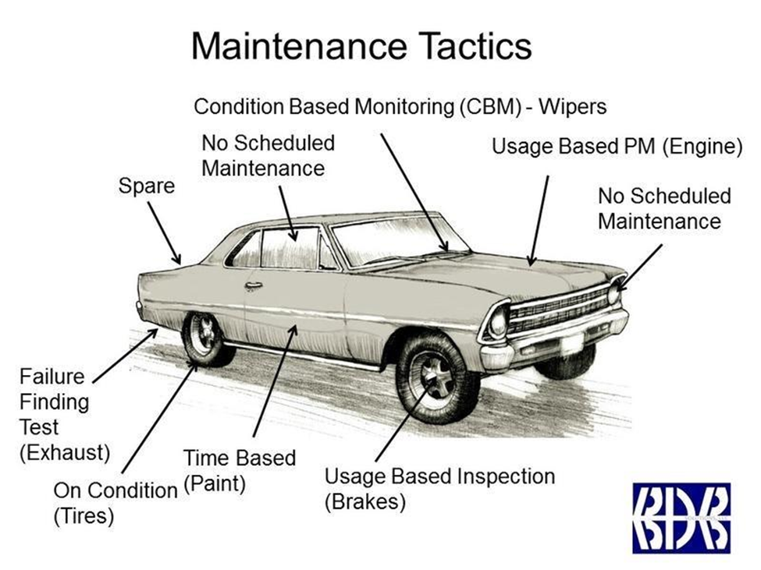
26 |  |  |  |  |  | 0
27 |  |  |  |  |  | 0
28 |  |  |  |  |  | 0
29 |  |  |  |  |  | 0
30 |  |  |  |  |  | 0
31 |  |  |  |  |  | 0
32 |  |  |  |  |  | 0
33 |  |  |  |  |  | 0
34 |  |  |  |  |  | 0
35 |  |  |  |  |  | 0
36 |  |  |  |  |  | 0
37 |  |  |  |  |  | 0
38 |  |  |  |  |  | 0
39 |  |  |  |  |  | 0
40 |  |  |  |  |  | 0
41 |  |  |  |  |  | 0
42 |  |  |  |  |  | 0
43 |  |  |  |  |  | 0
44 |  |  |  |  |  | 0
45 |  |  |  |  |  | 0
46 |  |  |  |  |  | 0
47 |  |  |  |  |  | 0
48 |  |  |  |  |  | 0
49 |  |  |  |  |  | 0
50 |  |  |  |  |  | 0
51 |  |  |  |  |  | 0
52 |  |  |  |  |  | 0
53 |  |  |  |  |  | 0
54 |  |  |  |  |  | 0
55 |  |  |  |  |  | 0
56 |  |  |  |  |  | 0
57 |  |  |  |  |  | 0
58 |  |  |  |  |  | 0
...

